FTE_UG_UNI_3Y_FIG
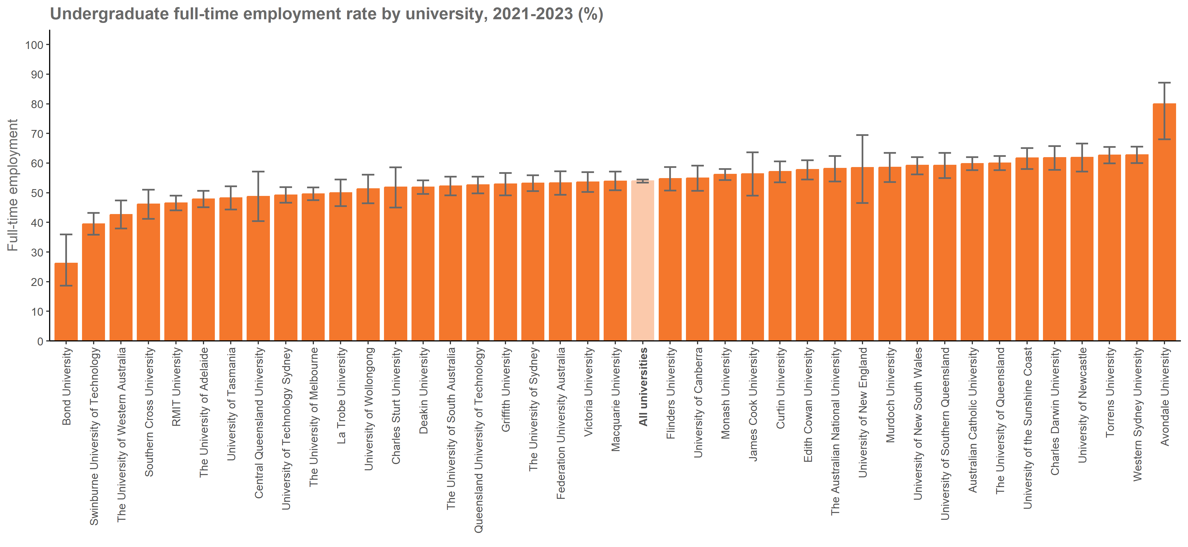
Undergraduate full-time employment rate by university, 2021-2023 (%) |  | Back to INDEX
 | Full-time employment rate
Australian Catholic University | 59.8 (57.6, 62.0)
Avondale University | 80.0 (68.0, 87.1)
Bond University | 26.2 (18.6, 35.9)
Central Queensland University | 48.7 (40.4, 57.1)
Charles Darwin University | 61.8 (57.7, 65.7)
Charles Sturt University | 51.9 (45.0, 58.6)
Curtin University | 57.1 (53.5, 60.6)
Deakin University | 51.9 (49.6, 54.2)
Edith Cowan University | 57.8 (54.5, 61.0)
Federation University Australia | 53.3 (49.3, 57.2)
Flinders University | 54.7 (50.7, 58.7)
Griffith University | 52.9 (49.1, 56.7)
James Cook University | 56.4 (49.0, 63.6)
La Trobe University | 50.0 (45.5, 54.5)
Macquarie University | 53.9 (50.8, 57.1)
Monash University | 56.2 (54.3, 58.0)
Murdoch University | 58.6 (53.6, 63.4)
Queensland University of Technology | 52.6 (49.8, 55.4)
RMIT University | 46.5 (44.0, 49.0)
Southern Cross University | 46.1 (41.2, 51.0)
Swinburne University of Technology | 39.5 (35.8, 43.2)
The Australian National University | 58.2 (53.8, 62.4)
The University of Adelaide | 47.9 (45.1, 50.6)
The University of Melbourne | 49.6 (47.5, 51.8)
The University of Notre Dame Australia | n/a
The University of Queensland | 60.0 (57.6, 62.4)
The University of South Australia | 52.3 (49.1, 55.4)
The University of Sydney | 53.2 (50.5, 55.9)
The University of Western Australia | 42.6 (37.9, 47.4)
Torrens University | 62.7 (59.9, 65.4)
University of Canberra | 54.9 (50.6, 59.1)
University of Divinity | n/a
University of New England | 58.5 (46.5, 69.5)
University of New South Wales | 59.2 (56.2, 62.0)
University of Newcastle | 61.9 (57.1, 66.6)
University of Southern Queensland | 59.2 (54.9, 63.4)
University of Tasmania | 48.2 (44.3, 52.2)
University of Technology Sydney | 49.2 (46.6, 51.9)
University of the Sunshine Coast | 61.7 (58.0, 65.1)
University of Wollongong | 51.3 (46.4, 56.1)
Victoria University | 53.6 (50.3, 56.9)
Western Sydney University | 62.8 (60.0, 65.5)
All universities | 54.0 (53.4, 54.5)

Notes:
The Agresti-Coull method is used to calculate 90% confidence intervals for proportions.
Estimates and confidence intervals (CIs) may become unreliable for very small sample sizes and proportions close to 0% or 100%.
CIs are not displayed when estimates are 0% or 100% or fall outside the CI range. Exercise caution when reporting and comparing proportions in these cases.

SAL_UG_UNI_3Y_FIG
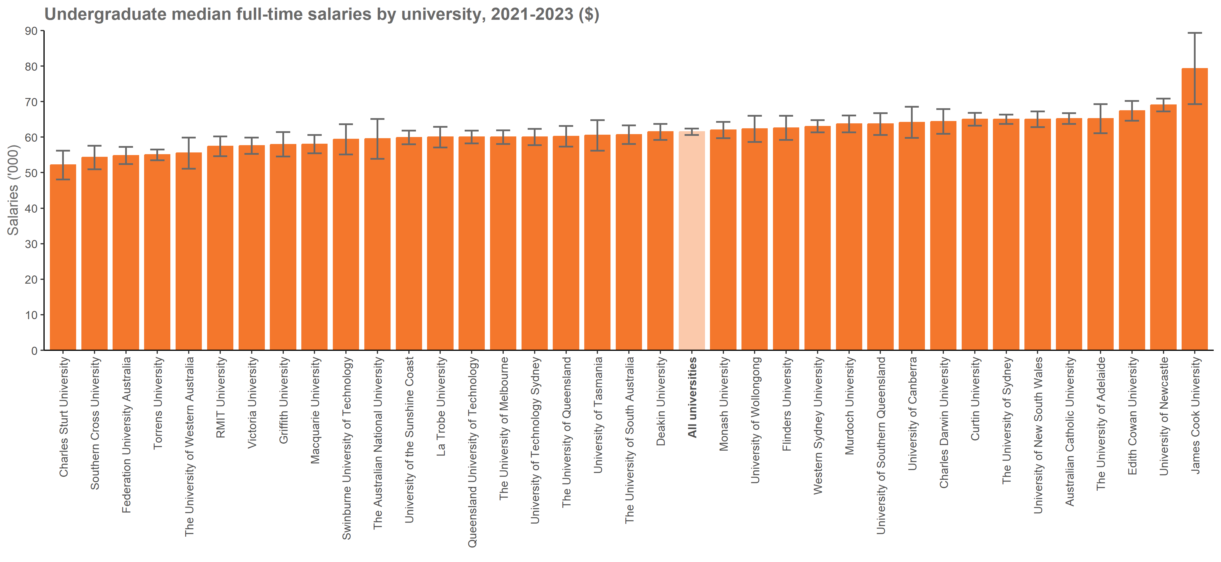
Undergraduate median full-time salaries by university, 2021-2023 ($) |  | Back to INDEX
 | Median full-time salary
Australian Catholic University | 65,200 (63,700, 66,700)
Avondale University | n/a
Bond University | n/a
Central Queensland University | n/a
Charles Darwin University | 64,400 (60,900, 67,900)
Charles Sturt University | 52,200 (48,100, 56,200)
Curtin University | 65,000 (63,200, 66,800)
Deakin University | 61,500 (59,200, 63,700)
Edith Cowan University | 67,400 (64,600, 70,200)
Federation University Australia | 54,800 (52,400, 57,200)
Flinders University | 62,600 (59,200, 66,000)
Griffith University | 57,900 (54,500, 61,400)
James Cook University | 79,300 (69,300, 89,300)
La Trobe University | 60,000 (57,100, 62,900)
Macquarie University | 58,000 (55,400, 60,600)
Monash University | 62,000 (59,700, 64,300)
Murdoch University | 63,700 (61,300, 66,100)
Queensland University of Technology | 60,000 (58,200, 61,800)
RMIT University | 57,400 (54,600, 60,200)
Southern Cross University | 54,300 (50,900, 57,600)
Swinburne University of Technology | 59,400 (55,100, 63,600)
The Australian National University | 59,500 (53,900, 65,100)
The University of Adelaide | 65,200 (61,100, 69,300)
The University of Melbourne | 60,000 (58,100, 61,900)
The University of Notre Dame Australia | n/a
The University of Queensland | 60,200 (57,300, 63,100)
The University of South Australia | 60,700 (58,100, 63,300)
The University of Sydney | 65,000 (63,700, 66,300)
The University of Western Australia | 55,500 (51,100, 59,900)
Torrens University | 55,000 (53,500, 56,500)
University of Canberra | 64,100 (59,800, 68,500)
University of Divinity | n/a
University of New England | n/a
University of New South Wales | 65,000 (62,800, 67,200)
University of Newcastle | 69,000 (67,200, 70,800)
University of Southern Queensland | 63,700 (60,600, 66,700)
University of Tasmania | 60,500 (56,200, 64,800)
University of Technology Sydney | 60,000 (57,700, 62,300)
University of the Sunshine Coast | 59,900 (58,000, 61,800)
University of Wollongong | 62,300 (58,600, 66,000)
Victoria University | 57,600 (55,300, 59,900)
Western Sydney University | 63,000 (61,300, 64,800)
All universities | 61,500 (60,600, 62,400)

FTE_UG_NUHEI_3Y_FIG
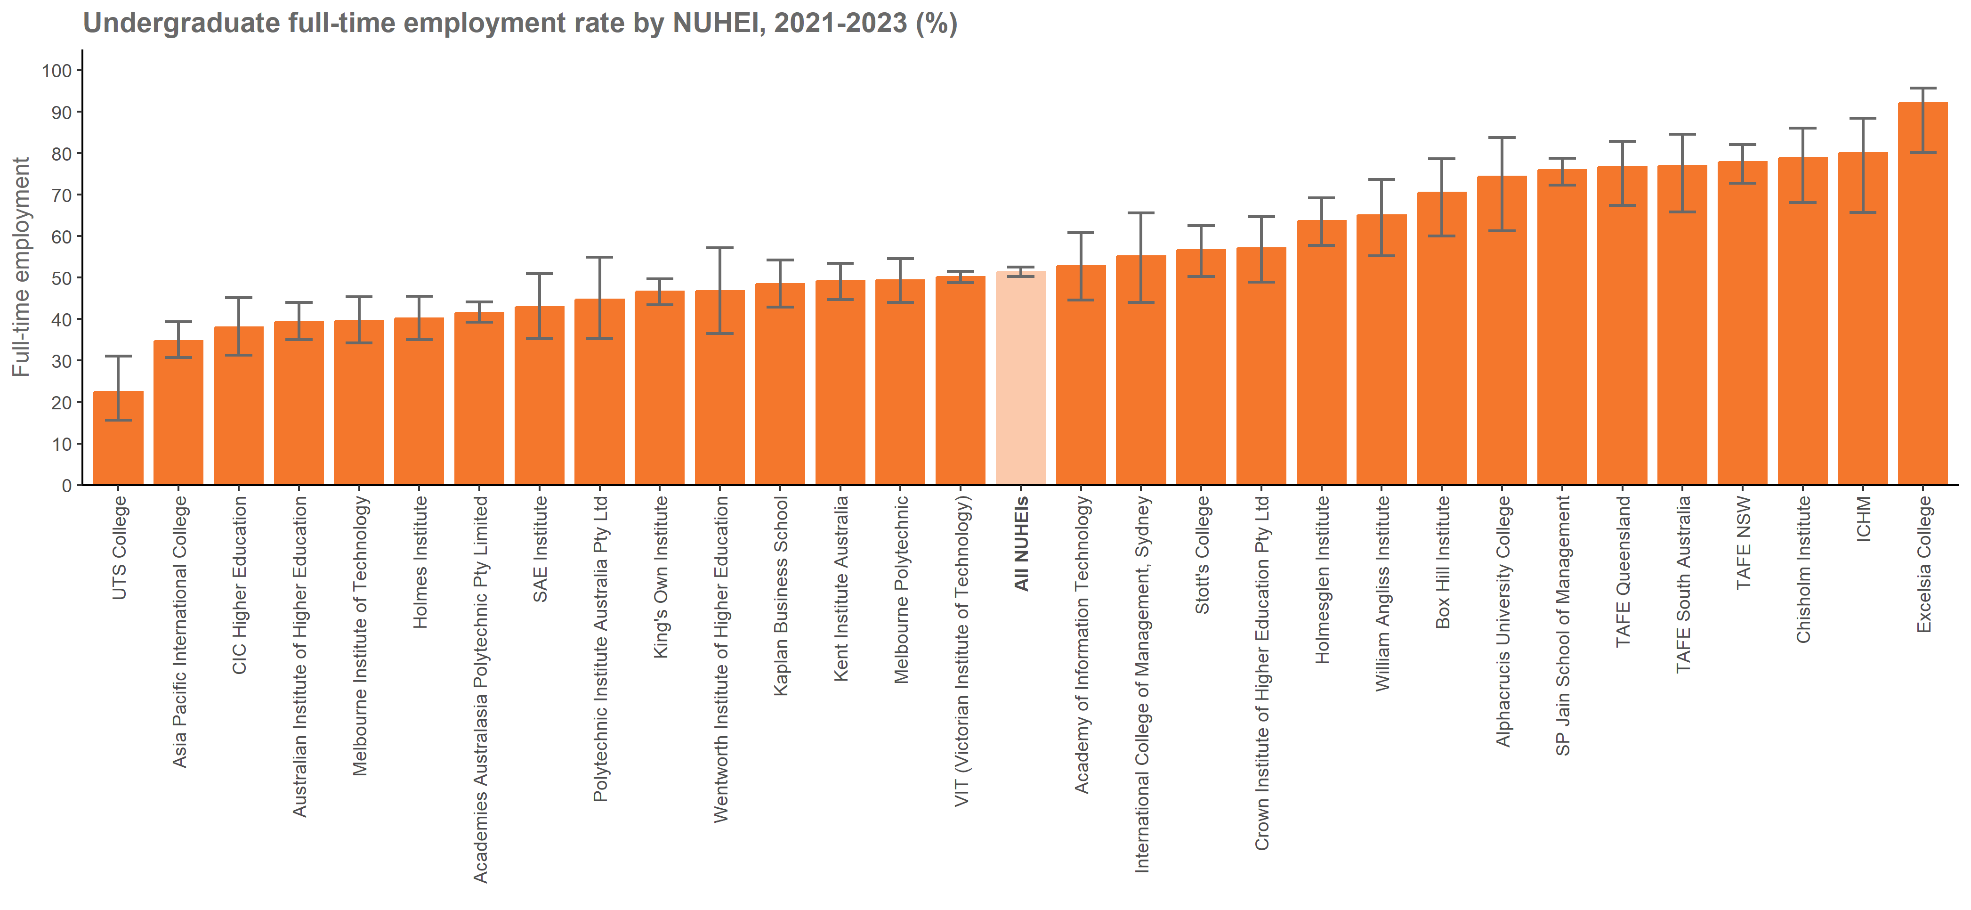
Undergraduate full-time employment rate by NUHEI, 2021-2023 (%) |  | Back to INDEX
 | Full-time employment rate
Academies Australasia Polytechnic Pty Limited | 41.5 (39.3, 44.1)
Academy of Information Technology | 52.8 (44.6, 60.8)
Adelaide Central School of Art
Adelaide Institute of Higher Education | n/a
Alphacrucis University College | 74.3 (61.3, 83.8)
Asia Pacific International College | 34.7 (30.7, 39.4)
Australasian College of Health and Wellness
Australia Advance Education Group Pty Ltd | n/a
Australian Academy of Music and Performing Arts
Australian College of Applied Professions | n/a
Australian College of Nursing
Australian College of Theology Limited | n/a
Australian Institute of Business Pty Ltd
Australian Institute of Higher Education | 39.4 (35.1, 44.0)
Australian Institute of Management Education & Training
Australian Institute of Professional Counsellors
BBI - The Australian Institute of Theological Education
Box Hill Institute | 70.5 (60.0, 78.6)
Campion College Australia
Canberra Institute of Technology
Chisholm Institute | 78.9 (68.1, 86.0)
Christian Heritage College | n/a
CIC Higher Education | 38.0 (31.3, 45.2)
Collarts (Australian College of the Arts) | n/a
Crown Institute of Higher Education Pty Ltd | 57.1 (48.9, 64.7)
Eastern College Australia
Endeavour College of Natural Health | n/a
Engineering Institute of Technology | n/a
Equals International | n/a
Excelsia College | 92.0 (80.1, 95.7)
Gestalt Therapy Brisbane
Governance Institute of Australia
Health Education & Training Institute
HEPCO The Tax Institute Higher Education
Holmes Institute | 40.1 (35.0, 45.5)
Holmesglen Institute | 63.7 (57.7, 69.2)
ICHM | 80.0 (65.7, 88.4)
Ikon Institute of Australia | n/a
Institute of Health & Management Pty Ltd
International College of Management, Sydney | 55.1 (44.0, 65.6)
ISN Psychology Pty Ltd
Jazz Music Institute
Kaplan Business School | 48.5 (42.9, 54.2)
Kaplan Higher Education Pty Ltd
Kent Institute Australia | 49.1 (44.7, 53.4)
King's Own Institute | 46.6 (43.5, 49.7)
LCI Melbourne | n/a
Le Cordon Bleu Australia | n/a
Leaders Institute | n/a
The Institute of Creative Arts and Technology | n/a
Marcus Oldham College | n/a
Melbourne Institute of Technology | 39.6 (34.2, 45.4)
Melbourne Polytechnic | 49.3 (44.0, 54.6)
Moore Theological College | n/a
Morling College
Nan Tien Institute
National Institute of Organisation Dynamics Aust
Performing Arts Education
Perth Bible College
Photography Studies College (Melbourne) | n/a
Polytechnic Institute Australia Pty Ltd | 44.7 (35.3, 54.9)
SAE Institute | 42.9 (35.3, 50.9)
Sheridan Institute of Higher Education | n/a
SP Jain School of Management | 75.9 (72.3, 78.8)
Stanley College | n/a
Stott's College | 56.6 (50.3, 62.5)
Sydney College of Divinity | n/a
Tabor College of Higher Education
TAFE NSW | 77.8 (72.8, 82.0)
TAFE Queensland | 76.7 (67.4, 82.9)
TAFE South Australia | 76.9 (65.8, 84.6)
The Australian College of Physical Education
The Australian Institute of Music | n/a
The Cairnmillar Institute
The College of Law Limited
The Institute of Internal Auditors - Australia
The MIECAT Institute
Think Education | n/a
UOW College | n/a
UTS College | 22.4 (15.6, 31.1)
VIT (Victorian Institute of Technology) | 50.1 (48.8, 51.5)
Wentworth Institute of Higher Education | 46.7 (36.5, 57.2)
Whitehouse Institute of Design, Australia | n/a
William Angliss Institute | 65.0 (55.2, 73.6)
All NUHEIs | 51.4 (50.3, 52.5)

Notes:
The Agresti-Coull method is used to calculate 90% confidence intervals for proportions.
Estimates and confidence intervals (CIs) may become unreliable for very small sample sizes and proportions close to 0% or 100%.
CIs are not displayed when estimates are 0% or 100% or fall outside the CI range. Exercise caution when reporting and comparing proportions in these cases.

SAL_UG_NUHEI_3Y_FIG
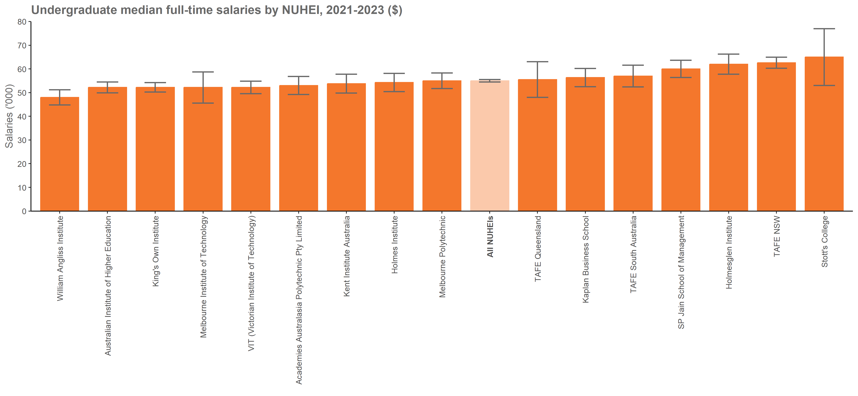
Undergraduate median full-time salaries by NUHEI, 2021-2023 ($) |  | Back to INDEX
 | Median full-time salary
Academies Australasia Polytechnic Pty Limited | 53,000 (49,200, 56,800)
Academy of Information Technology | n/a
Adelaide Central School of Art
Adelaide Institute of Higher Education
Alphacrucis University College | n/a
Asia Pacific International College | n/a
Australasian College of Health and Wellness
Australia Advance Education Group Pty Ltd | n/a
Australian Academy of Music and Performing Arts
Australian College of Applied Professions | n/a
Australian College of Nursing
Australian College of Theology Limited | n/a
Australian Institute of Business Pty Ltd
Australian Institute of Higher Education | 52,200 (49,900, 54,500)
Australian Institute of Management Education & Training
Australian Institute of Professional Counsellors
BBI - The Australian Institute of Theological Education
Box Hill Institute | n/a
Campion College Australia
Canberra Institute of Technology
Chisholm Institute | n/a
Christian Heritage College | n/a
CIC Higher Education | n/a
Collarts (Australian College of the Arts) | n/a
Crown Institute of Higher Education Pty Ltd | n/a
Eastern College Australia
Endeavour College of Natural Health | n/a
Engineering Institute of Technology
Equals International | n/a
Excelsia College | n/a
Gestalt Therapy Brisbane
Governance Institute of Australia
Health Education & Training Institute
HEPCO The Tax Institute Higher Education
Holmes Institute | 54,300 (50,400, 58,100)
Holmesglen Institute | 62,000 (57,800, 66,200)
ICHM | n/a
Ikon Institute of Australia | n/a
Institute of Health & Management Pty Ltd
International College of Management, Sydney | n/a
ISN Psychology Pty Ltd
Jazz Music Institute
Kaplan Business School | 56,400 (52,500, 60,200)
Kaplan Higher Education Pty Ltd
Kent Institute Australia | 53,800 (49,800, 57,800)
King's Own Institute | 52,200 (50,200, 54,200)
LCI Melbourne | n/a
Le Cordon Bleu Australia | n/a
Leaders Institute | n/a
The Institute of Creative Arts and Technology | n/a
Marcus Oldham College | n/a
Melbourne Institute of Technology | 52,200 (45,600, 58,700)
Melbourne Polytechnic | 55,000 (51,700, 58,300)
Moore Theological College | n/a
Morling College
Nan Tien Institute
National Institute of Organisation Dynamics Aust
Performing Arts Education
Perth Bible College
Photography Studies College (Melbourne)
Polytechnic Institute Australia Pty Ltd | n/a
SAE Institute | n/a
Sheridan Institute of Higher Education | n/a
SP Jain School of Management | 60,000 (56,400, 63,600)
Stanley College | n/a
Stott's College | 65,000 (53,000, 77,000)
Sydney College of Divinity | n/a
Tabor College of Higher Education
TAFE NSW | 62,600 (60,300, 64,900)
TAFE Queensland | 55,500 (48,000, 63,000)
TAFE South Australia | 57,000 (52,400, 61,600)
The Australian College of Physical Education
The Australian Institute of Music | n/a
The Cairnmillar Institute
The College of Law Limited
The Institute of Internal Auditors - Australia
The MIECAT Institute
Think Education | n/a
UOW College
UTS College | n/a
VIT (Victorian Institute of Technology) | 52,200 (49,500, 54,800)
Wentworth Institute of Higher Education | n/a
Whitehouse Institute of Design, Australia | n/a
William Angliss Institute | 48,000 (44,800, 51,200)
All NUHEIs | 55,000 (54,500, 55,500)

FTE_PGC_UNI_3Y_FIG
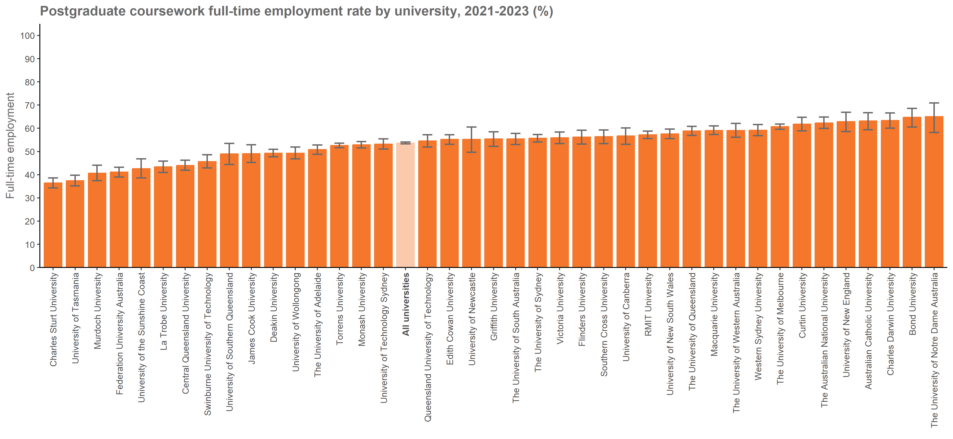
Postgraduate coursework full-time employment rate by university, 2021-2023 (%) |  | Back to INDEX
 | Full-time employment rate
Australian Catholic University | 63.2 (59.4, 66.7)
Avondale University | n/a
Bond University | 64.7 (60.5, 68.6)
Central Queensland University | 44.0 (41.9, 46.2)
Charles Darwin University | 63.4 (60.0, 66.6)
Charles Sturt University | 36.4 (34.3, 38.6)
Curtin University | 61.8 (58.9, 64.7)
Deakin University | 49.3 (47.7, 50.9)
Edith Cowan University | 55.2 (53.1, 57.2)
Federation University Australia | 41.1 (39.0, 43.2)
Flinders University | 56.2 (53.2, 59.2)
Griffith University | 55.4 (52.2, 58.5)
James Cook University | 49.1 (45.3, 52.9)
La Trobe University | 43.4 (41.0, 45.8)
Macquarie University | 59.1 (57.3, 61.0)
Monash University | 52.9 (51.5, 54.3)
Murdoch University | 40.7 (37.4, 44.1)
Queensland University of Technology | 54.6 (51.9, 57.2)
RMIT University | 57.2 (55.5, 58.8)
Southern Cross University | 56.4 (53.4, 59.3)
Swinburne University of Technology | 45.7 (42.9, 48.6)
The Australian National University | 62.3 (59.9, 64.8)
The University of Adelaide | 50.8 (48.8, 52.8)
The University of Melbourne | 60.7 (59.6, 61.8)
The University of Notre Dame Australia | 65.0 (58.2, 70.9)
The University of Queensland | 58.9 (56.9, 60.8)
The University of South Australia | 55.4 (53.0, 57.8)
The University of Sydney | 55.7 (54.1, 57.3)
The University of Western Australia | 59.1 (56.1, 62.1)
Torrens University | 52.6 (51.6, 53.6)
University of Canberra | 56.7 (53.1, 60.1)
University of Divinity | n/a
University of New England | 62.9 (58.6, 66.9)
University of New South Wales | 57.6 (55.5, 59.7)
University of Newcastle | 55.2 (49.7, 60.5)
University of Southern Queensland | 49.0 (44.4, 53.5)
University of Tasmania | 37.4 (35.2, 39.8)
University of Technology Sydney | 53.2 (51.0, 55.4)
University of the Sunshine Coast | 42.6 (38.6, 46.8)
University of Wollongong | 49.3 (46.8, 51.9)
Victoria University | 55.9 (53.4, 58.4)
Western Sydney University | 59.2 (56.8, 61.6)
All universities | 53.7 (53.3, 54.1)

Notes:
The Agresti-Coull method is used to calculate 90% confidence intervals for proportions.
Estimates and confidence intervals (CIs) may become unreliable for very small sample sizes and proportions close to 0% or 100%.
CIs are not displayed when estimates are 0% or 100% or fall outside the CI range. Exercise caution when reporting and comparing proportions in these cases.

FTE_PGC_NUHEI_3Y_FIG
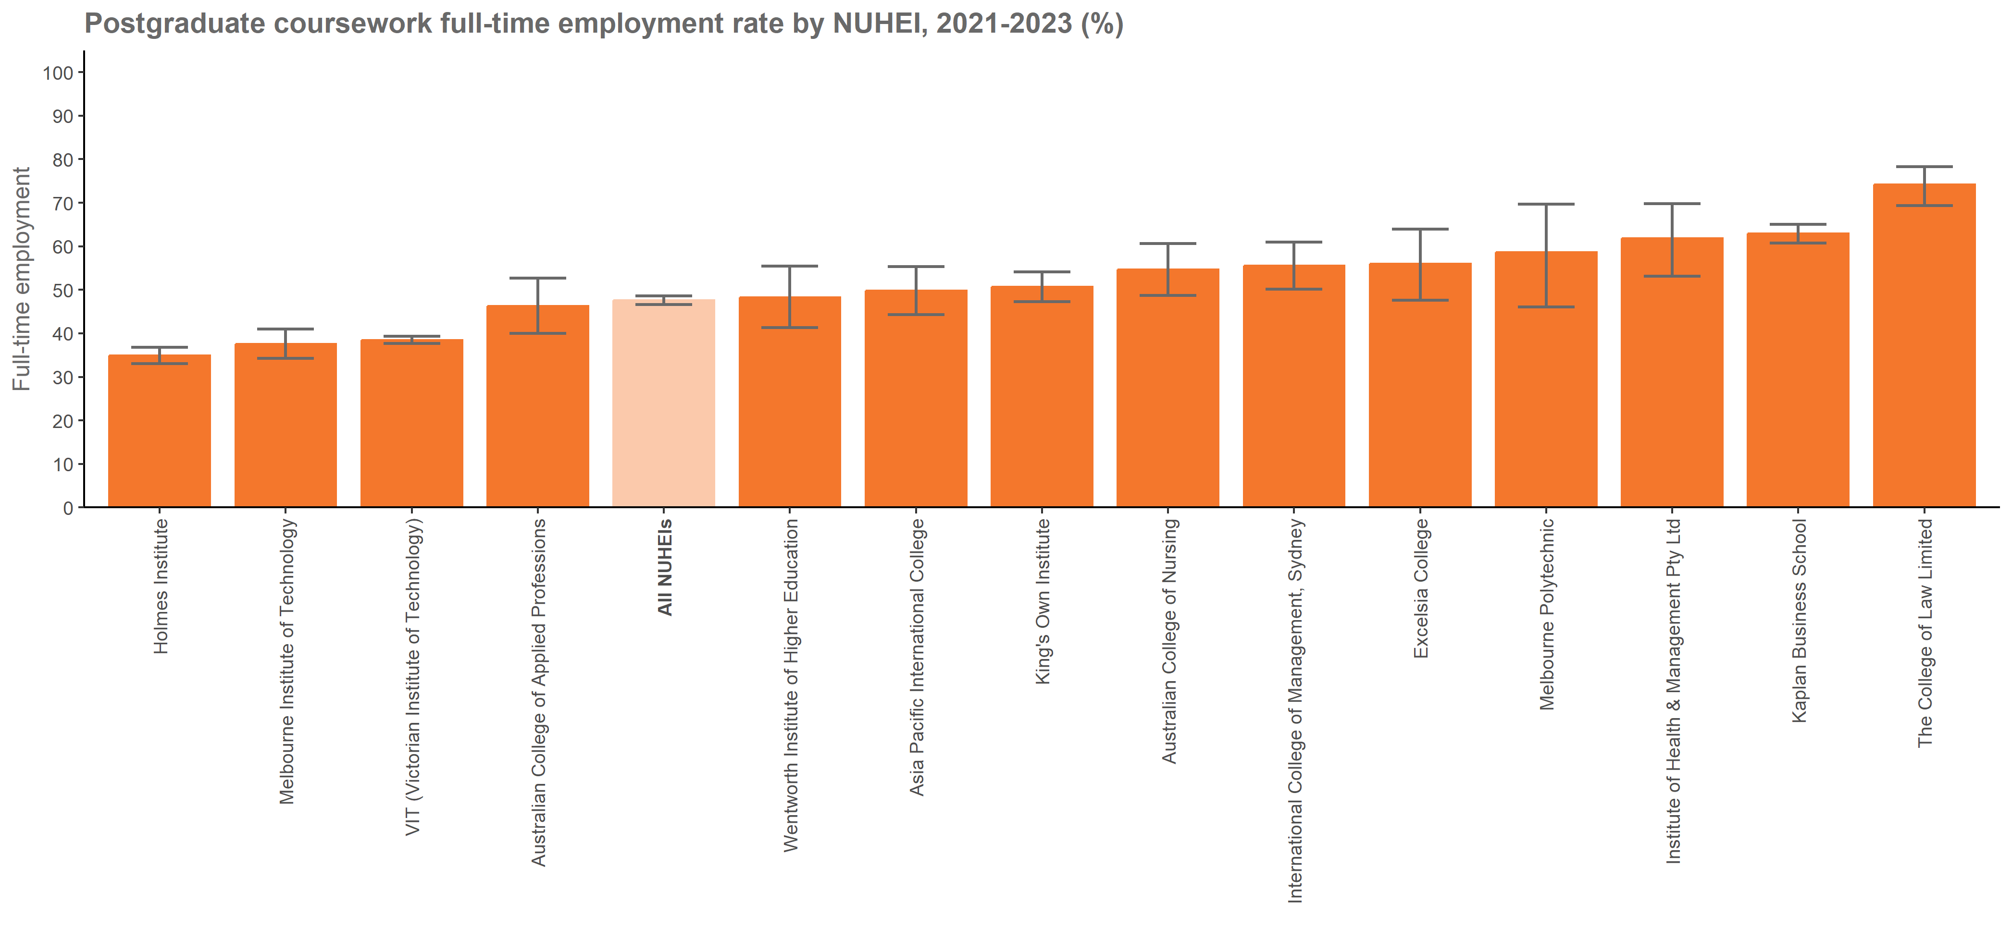
Postgraduate coursework full-time employment rate by NUHEI, 2021-2023 (%) |  | Back to INDEX
 | Full-time employment rate
Academies Australasia Polytechnic Pty Limited
Academy of Information Technology
Adelaide Central School of Art
Adelaide Institute of Higher Education
Alphacrucis University College | n/a
Asia Pacific International College | 49.8 (44.3, 55.3)
Australasian College of Health and Wellness
Australia Advance Education Group Pty Ltd
Australian Academy of Music and Performing Arts | n/a
Australian College of Applied Professions | 46.3 (40.0, 52.7)
Australian College of Nursing | 54.7 (48.7, 60.6)
Australian College of Theology Limited | n/a
Australian Institute of Business Pty Ltd | n/a
Australian Institute of Higher Education
Australian Institute of Management Education & Training | n/a
Australian Institute of Professional Counsellors
BBI - The Australian Institute of Theological Education | n/a
Box Hill Institute | n/a
Campion College Australia
Canberra Institute of Technology
Chisholm Institute
Christian Heritage College | n/a
CIC Higher Education | n/a
Collarts (Australian College of the Arts)
Crown Institute of Higher Education Pty Ltd
Eastern College Australia
Endeavour College of Natural Health
Engineering Institute of Technology | n/a
Equals International
Excelsia College | 56.0 (47.6, 63.9)
Gestalt Therapy Brisbane
Governance Institute of Australia | n/a
Health Education & Training Institute
HEPCO The Tax Institute Higher Education | n/a
Holmes Institute | 34.9 (33.0, 36.8)
Holmesglen Institute | n/a
ICHM | n/a
Ikon Institute of Australia
Institute of Health & Management Pty Ltd | 61.8 (53.1, 69.8)
International College of Management, Sydney | 55.6 (50.1, 61.0)
ISN Psychology Pty Ltd
Jazz Music Institute
Kaplan Business School | 62.9 (60.7, 65.1)
Kaplan Higher Education Pty Ltd | n/a
Kent Institute Australia
King's Own Institute | 50.7 (47.3, 54.1)
LCI Melbourne
Le Cordon Bleu Australia | n/a
Leaders Institute
The Institute of Creative Arts and Technology
Marcus Oldham College
Melbourne Institute of Technology | 37.6 (34.3, 41.0)
Melbourne Polytechnic | 58.6 (46.1, 69.7)
Moore Theological College
Morling College | n/a
Nan Tien Institute | n/a
National Institute of Organisation Dynamics Aust
Performing Arts Education
Perth Bible College
Photography Studies College (Melbourne)
Polytechnic Institute Australia Pty Ltd
SAE Institute
Sheridan Institute of Higher Education | n/a
SP Jain School of Management
Stanley College
Stott's College
Sydney College of Divinity | n/a
Tabor College of Higher Education
TAFE NSW
TAFE Queensland
TAFE South Australia
The Australian College of Physical Education
The Australian Institute of Music | n/a
The Cairnmillar Institute | n/a
The College of Law Limited | 74.2 (69.4, 78.3)
The Institute of Internal Auditors - Australia | n/a
The MIECAT Institute
Think Education | n/a
UOW College
UTS College | n/a
VIT (Victorian Institute of Technology) | 38.5 (37.7, 39.3)
Wentworth Institute of Higher Education | 48.3 (41.3, 55.4)
Whitehouse Institute of Design, Australia
William Angliss Institute
All NUHEIs | 47.6 (46.6, 48.6)

Notes:
The Agresti-Coull method is used to calculate 90% confidence intervals for proportions.
Estimates and confidence intervals (CIs) may become unreliable for very small sample sizes and proportions close to 0% or 100%.
CIs are not displayed when estimates are 0% or 100% or fall outside the CI range. Exercise caution when reporting and comparing proportions in these cases.

SAL_PGC_UNI_3Y_FIG
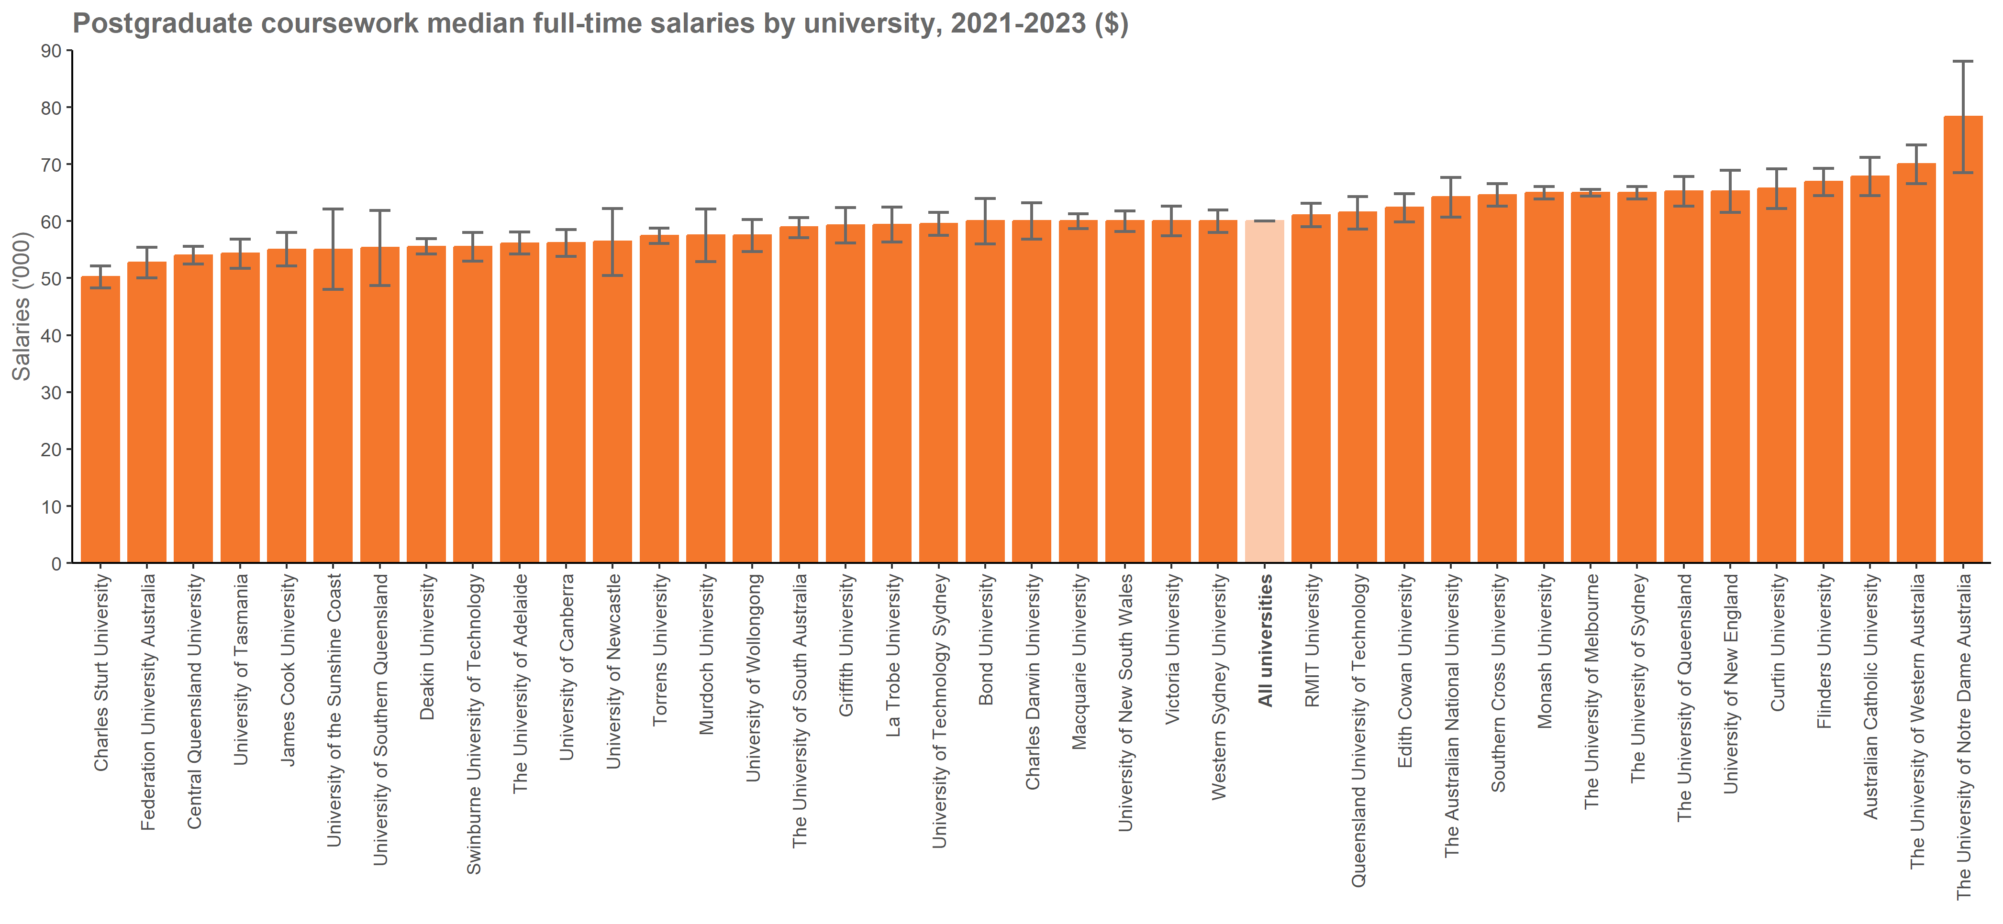
Postgraduate coursework median full-time salaries by university, 2021-2023 ($) |  | Back to INDEX
 | Median full-time salary
Australian Catholic University | 67,800 (64,500, 71,200)
Avondale University | n/a
Bond University | 60,000 (56,000, 64,000)
Central Queensland University | 54,000 (52,500, 55,600)
Charles Darwin University | 60,000 (56,800, 63,200)
Charles Sturt University | 50,200 (48,300, 52,100)
Curtin University | 65,700 (62,200, 69,200)
Deakin University | 55,500 (54,200, 56,900)
Edith Cowan University | 62,400 (59,900, 64,800)
Federation University Australia | 52,700 (50,000, 55,400)
Flinders University | 66,900 (64,500, 69,300)
Griffith University | 59,300 (56,200, 62,400)
James Cook University | 55,000 (52,100, 58,000)
La Trobe University | 59,400 (56,300, 62,500)
Macquarie University | 60,000 (58,700, 61,300)
Monash University | 65,000 (63,900, 66,100)
Murdoch University | 57,500 (52,900, 62,100)
Queensland University of Technology | 61,500 (58,600, 64,300)
RMIT University | 61,000 (59,000, 63,100)
Southern Cross University | 64,600 (62,600, 66,600)
Swinburne University of Technology | 55,500 (53,000, 58,000)
The Australian National University | 64,200 (60,700, 67,700)
The University of Adelaide | 56,100 (54,200, 58,100)
The University of Melbourne | 65,000 (64,400, 65,600)
The University of Notre Dame Australia | 78,300 (68,500, 88,100)
The University of Queensland | 65,200 (62,600, 67,800)
The University of South Australia | 58,900 (57,100, 60,600)
The University of Sydney | 65,000 (63,900, 66,100)
The University of Western Australia | 70,000 (66,600, 73,400)
Torrens University | 57,400 (56,100, 58,800)
University of Canberra | 56,200 (53,800, 58,500)
University of Divinity | n/a
University of New England | 65,200 (61,500, 68,900)
University of New South Wales | 60,000 (58,200, 61,800)
University of Newcastle | 56,400 (50,500, 62,200)
University of Southern Queensland | 55,300 (48,700, 61,900)
University of Tasmania | 54,300 (51,700, 56,800)
University of Technology Sydney | 59,500 (57,500, 61,500)
University of the Sunshine Coast | 55,000 (48,000, 62,100)
University of Wollongong | 57,500 (54,700, 60,300)
Victoria University | 60,000 (57,400, 62,600)
Western Sydney University | 60,000 (58,000, 62,000)
All universities | 60,000 (60,000, 60,000)

FTE_PGR_UNI_3Y_FIG
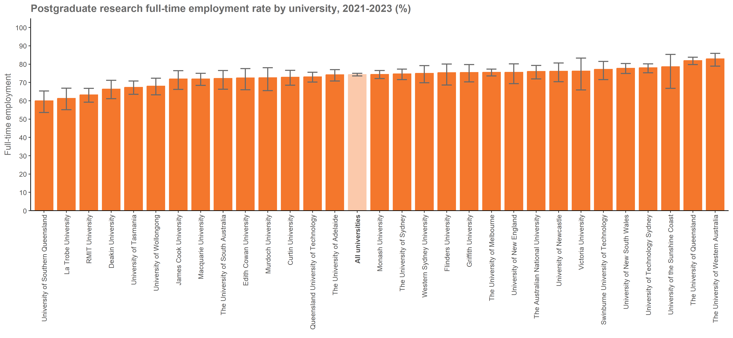
Postgraduate research full-time employment rate by university, 2021-2023 (%) |  | Back to INDEX
 | Full-time employment rate
Australian Catholic University | n/a
Avondale University
Bond University | n/a
Central Queensland University | n/a
Charles Darwin University | n/a
Charles Sturt University | n/a
Curtin University | 72.9 (68.5, 76.6)
Deakin University | 66.4 (61.1, 71.2)
Edith Cowan University | 72.5 (66.0, 77.6)
Federation University Australia | n/a
Flinders University | 75.4 (68.6, 80.1)
Griffith University | 75.5 (70.3, 79.8)
James Cook University | 71.9 (66.2, 76.4)
La Trobe University | 61.3 (55.1, 66.9)
Macquarie University | 71.9 (68.4, 75.0)
Monash University | 74.4 (72.1, 76.5)
Murdoch University | 72.6 (65.5, 78.1)
Queensland University of Technology | 73.1 (70.2, 75.6)
RMIT University | 63.2 (59.2, 66.8)
Southern Cross University | n/a
Swinburne University of Technology | 77.2 (71.6, 81.5)
The Australian National University | 76.0 (71.9, 79.3)
The University of Adelaide | 74.2 (70.8, 77.0)
The University of Melbourne | 75.6 (73.6, 77.3)
The University of Notre Dame Australia | n/a
The University of Queensland | 82.0 (79.8, 83.8)
The University of South Australia | 72.2 (66.3, 76.5)
The University of Sydney | 74.7 (71.6, 77.3)
The University of Western Australia | 82.9 (78.9, 85.9)
Torrens University
University of Canberra | n/a
University of Divinity
University of New England | 75.6 (69.4, 80.2)
University of New South Wales | 77.8 (74.9, 80.3)
University of Newcastle | 76.1 (70.4, 80.6)
University of Southern Queensland | 60.0 (53.6, 65.3)
University of Tasmania | 67.4 (63.5, 70.8)
University of Technology Sydney | 78.1 (75.3, 80.2)
University of the Sunshine Coast | 78.6 (66.8, 85.3)
University of Wollongong | 68.0 (63.2, 72.3)
Victoria University | 76.2 (65.9, 83.3)
Western Sydney University | 75.0 (69.8, 79.2)
All universities | 74.3 (73.6, 75.0)

Notes:
The Agresti-Coull method is used to calculate 90% confidence intervals for proportions.
Estimates and confidence intervals (CIs) may become unreliable for very small sample sizes and proportions close to 0% or 100%.
CIs are not displayed when estimates are 0% or 100% or fall outside the CI range. Exercise caution when reporting and comparing proportions in these cases.

SAL_PGR_UNI_3Y_FIG
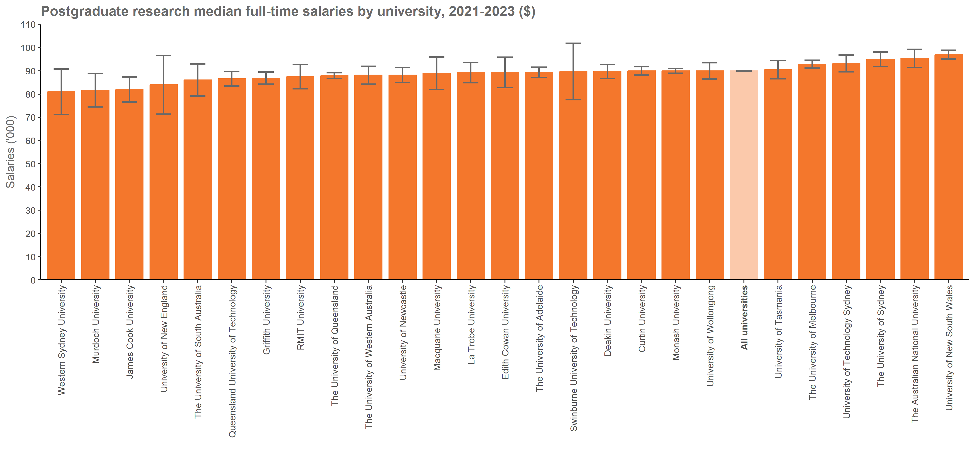
Postgraduate research median full-time salaries by university, 2021-2023 ($) |  | Back to INDEX
 | Median full-time salary
Australian Catholic University | n/a
Avondale University
Bond University | n/a
Central Queensland University | n/a
Charles Darwin University | n/a
Charles Sturt University | n/a
Curtin University | 90,000 (88,200, 91,800)
Deakin University | 89,800 (86,700, 92,800)
Edith Cowan University | 89,400 (82,800, 95,900)
Federation University Australia | n/a
Flinders University | n/a
Griffith University | 86,900 (84,300, 89,500)
James Cook University | 82,000 (76,600, 87,400)
La Trobe University | 89,300 (84,900, 93,600)
Macquarie University | 89,000 (82,000, 96,000)
Monash University | 90,000 (89,000, 91,000)
Murdoch University | 81,700 (74,500, 88,900)
Queensland University of Technology | 86,600 (83,500, 89,700)
RMIT University | 87,500 (82,300, 92,700)
Southern Cross University | n/a
Swinburne University of Technology | 89,700 (77,600, 101,900)
The Australian National University | 95,400 (91,500, 99,300)
The University of Adelaide | 89,400 (87,200, 91,600)
The University of Melbourne | 92,900 (91,200, 94,600)
The University of Notre Dame Australia | n/a
The University of Queensland | 88,000 (86,800, 89,200)
The University of South Australia | 86,100 (79,200, 93,000)
The University of Sydney | 95,000 (91,800, 98,100)
The University of Western Australia | 88,200 (84,300, 92,000)
Torrens University
University of Canberra | n/a
University of Divinity
University of New England | 84,000 (71,400, 96,600)
University of New South Wales | 97,000 (95,100, 98,900)
University of Newcastle | 88,200 (85,000, 91,400)
University of Southern Queensland | n/a
University of Tasmania | 90,500 (86,600, 94,400)
University of Technology Sydney | 93,200 (89,600, 96,800)
University of the Sunshine Coast | n/a
University of Wollongong | 90,000 (86,500, 93,500)
Victoria University | n/a
Western Sydney University | 81,100 (71,300, 90,800)
All universities | 90,000 (89,900, 90,100)

